Retention–Recovery (F2)
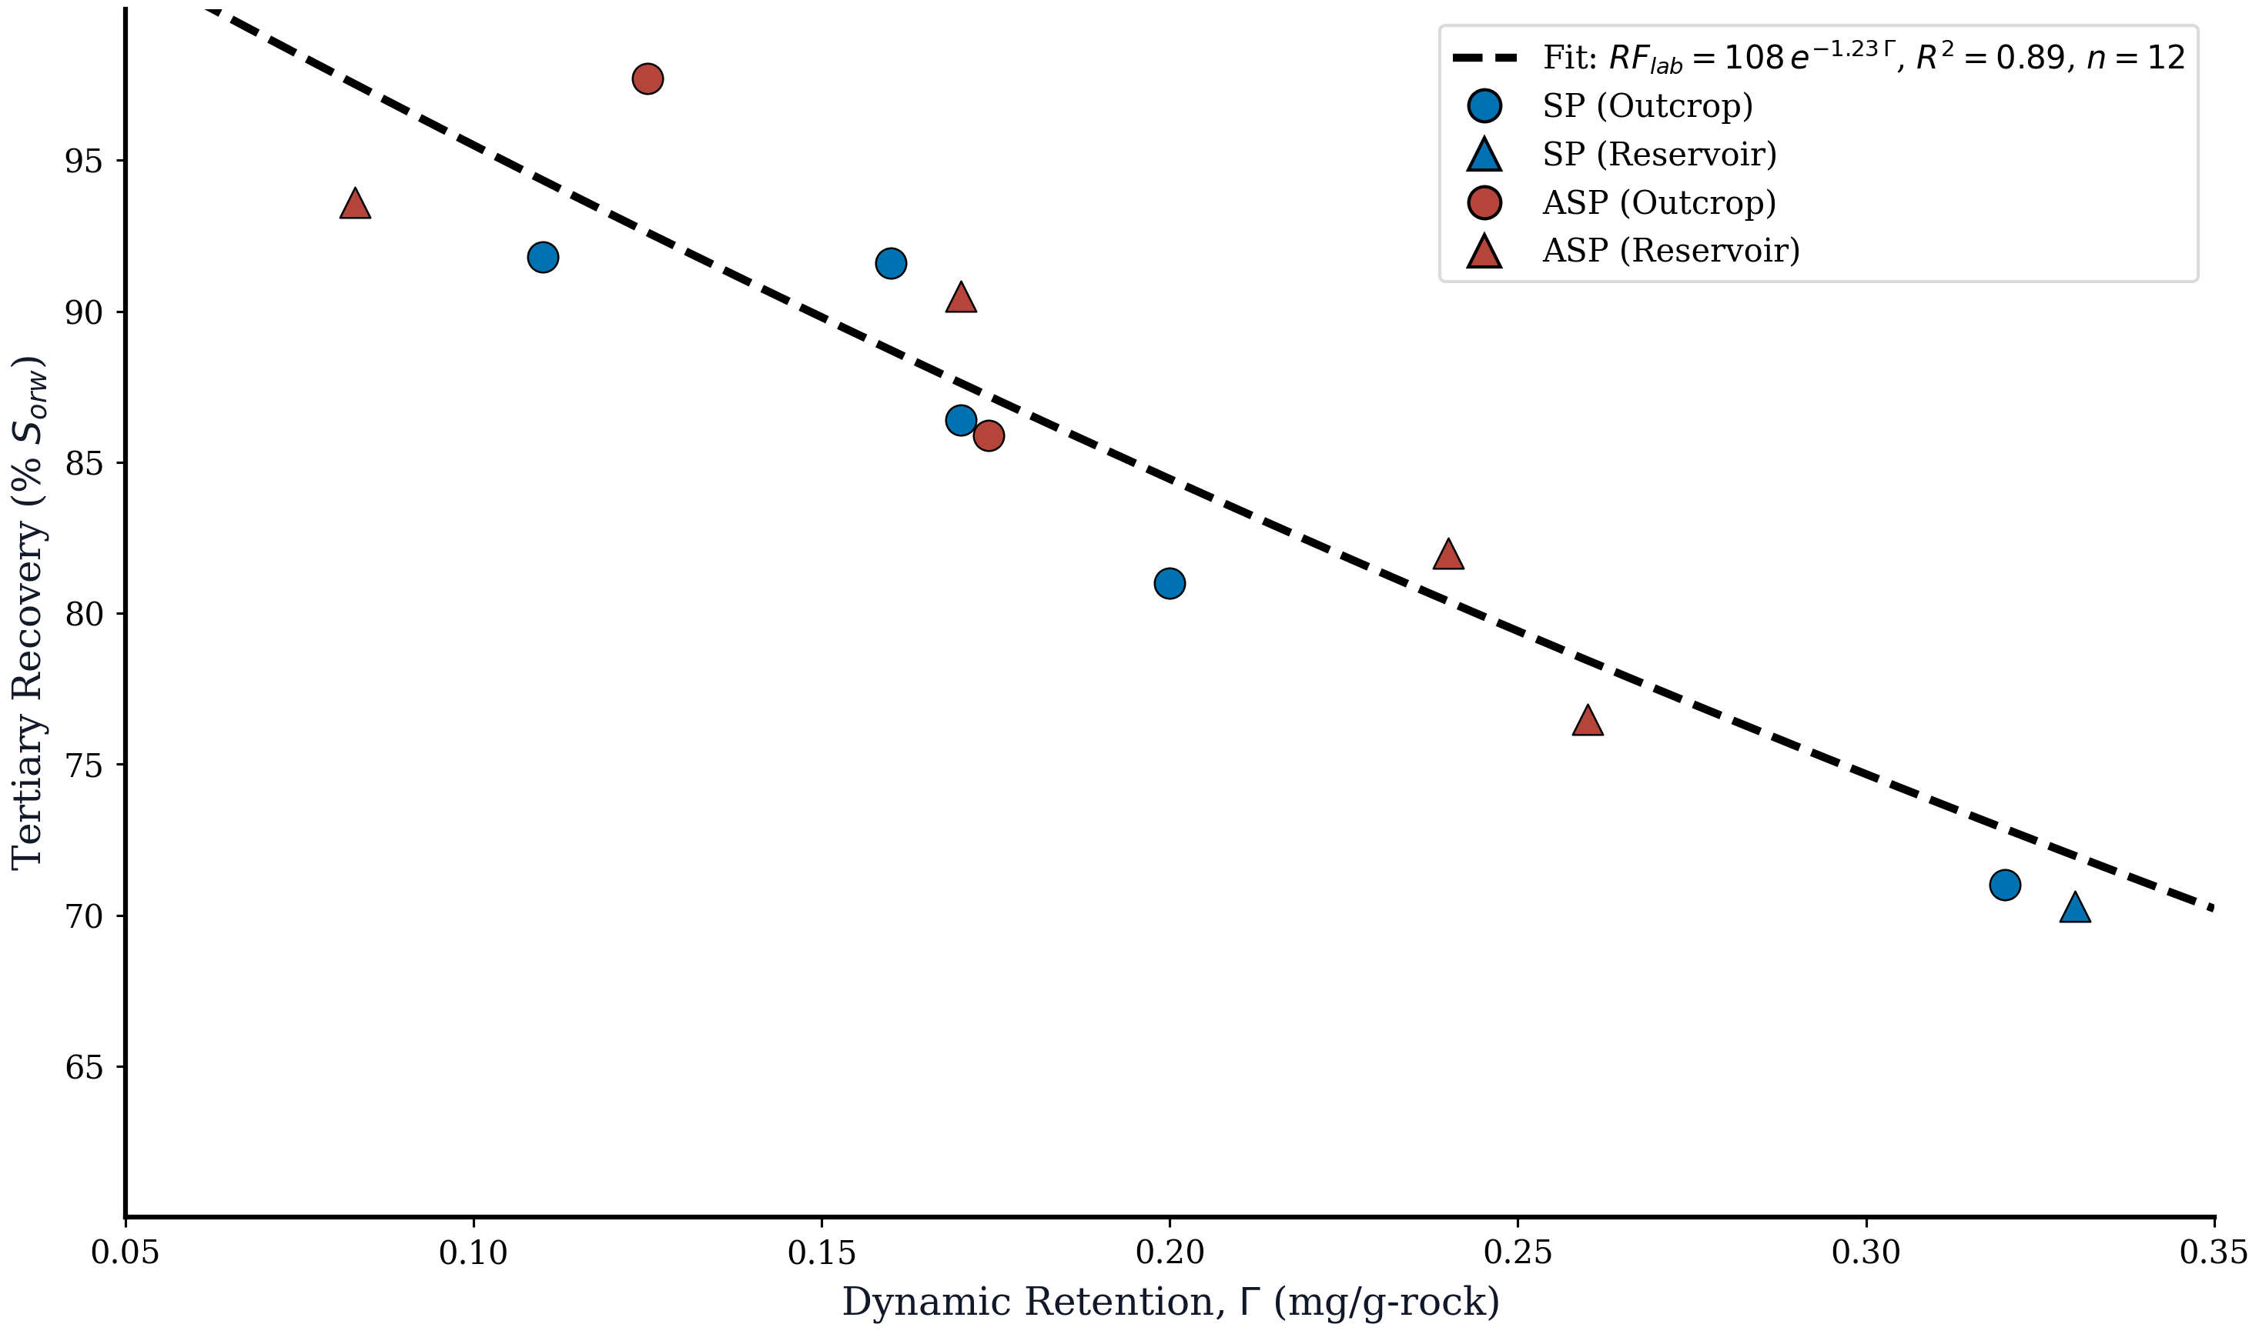
FIGURE 2. RETENTION vs RECOVERY — SCREENED HTHS COREFLOOD DATABASE
Fit: ARF = 108.0, kRF = 1.23 | R² = 0.89 | n = 12

Retention (mg/g-rock) | Recovery (% Sorw) | Formulation | Rock Type | Fit: RFlab = A×exp(−kΓ) | Residual
0.083 | 93.60 | ASP | Reservoir | 97.50 | -3.90
0.170 | 90.50 | ASP | Reservoir | 87.60 | 2.90
0.240 | 82.00 | ASP | Reservoir | 80.40 | 1.60
0.260 | 76.50 | ASP | Reservoir | 78.40 | -1.90
0.125 | 97.70 | ASP | Outcrop | 92.60 | 5.10
0.170 | 86.40 | SP | Outcrop | 87.60 | -1.20
0.330 | 70.30 | SP | Reservoir | 72.00 | -1.70
0.160 | 91.60 | SP | Outcrop | 88.70 | 2.90
0.200 | 81.00 | SP | Outcrop | 84.40 | -3.40
0.320 | 71.00 | SP | Outcrop | 72.90 | -1.90
0.110 | 91.80 | SP | Outcrop | 94.30 | -2.50
0.174 | 85.90 | ASP | Outcrop | 87.20 | -1.30

Figure 2

Chemical Cost (F3)
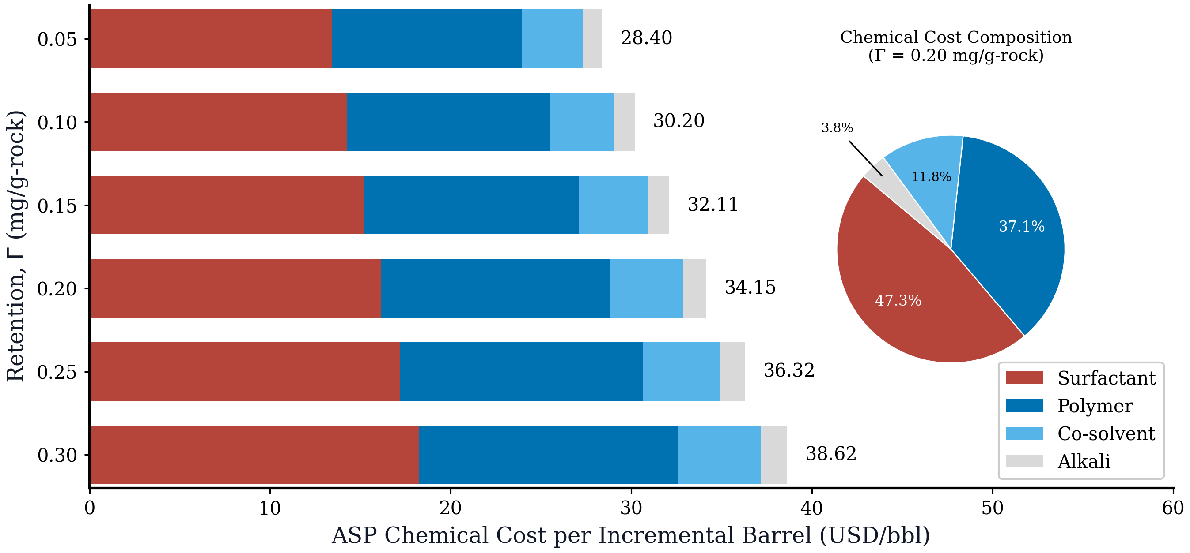
FIGURE 3. ASP CHEMICAL COST BREAKDOWN BY COMPONENT
Cost per incremental barrel at each retention level

Retention (mg/g-rock) | Surfactant | Polymer | Co-solvent | Alkali | Total (USD/bbl)
0.050 | 13.43 | 10.54 | 3.36 | 1.07 | 28.40
0.100 | 14.28 | 11.21 | 3.57 | 1.14 | 30.20
0.150 | 15.19 | 11.92 | 3.80 | 1.22 | 32.11
0.200 | 16.15 | 12.67 | 4.04 | 1.29 | 34.15
0.250 | 17.18 | 13.48 | 4.29 | 1.37 | 36.32
0.300 | 18.26 | 14.33 | 4.57 | 1.46 | 38.62

Figure 3

Resource Intensity (F4)
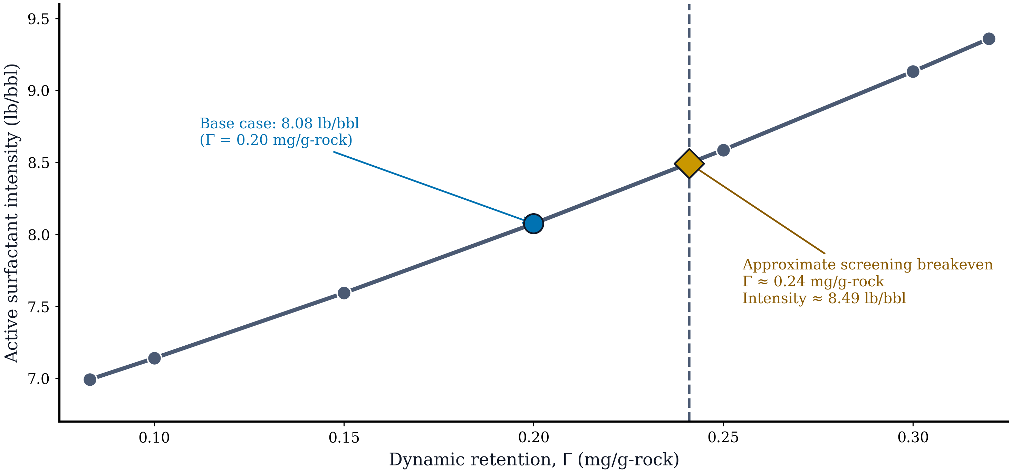
FIGURE 4. ACTIVE SURFACTANT INTENSITY vs DYNAMIC RETENTION
Base Γ = 0.20 → 8.08 lb/bbl | Approx. breakeven Γ = 0.241, intensity = 8.49 lb/bbl

Retention (mg/g-rock) | Active surfactant intensity (lb/bbl)
0.083 | 6.99
0.100 | 7.14
0.150 | 7.59
0.200 | 8.08
0.250 | 8.59
0.300 | 9.13
0.320 | 9.36

Figure 4

DCF Cash Flow (F5)
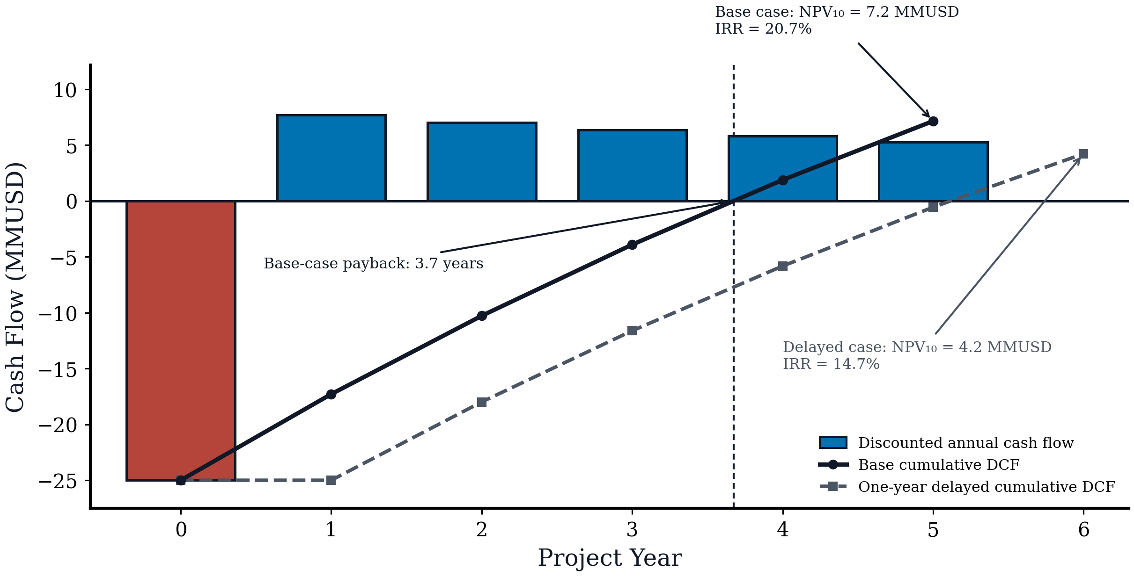
FIGURE 5. DISCOUNTED CASH FLOW PROFILE (BASE AND DELAYED CASES)
Base NPV₁₀ = 7.2 MMUSD; delayed NPV₁₀ = 4.2 MMUSD; delayed IRR = 14.7%

Year | Undiscounted CF (MMUSD) | Base Discounted CF (MMUSD) | Base Cumulative DCF (MMUSD) | Delayed Discounted CF (MMUSD) | Delayed Cumulative DCF (MMUSD)
0 | -25.00 | -25.00 | -25.00 | -25.00 | -25.00
1 | 8.48 | 7.71 | -17.29 | 0.000 | -25.00
2 | 8.48 | 7.01 | -10.28 | 7.01 | -17.99
3 | 8.48 | 6.37 | -3.91 | 6.37 | -11.62
4 | 8.48 | 5.79 | 1.88 | 5.79 | -5.83
5 | 8.48 | 5.27 | 7.15 | 5.27 | -0.560
6 |  |  |  | 4.79 | 4.23

Figure 5

Tornado Analysis (F6)
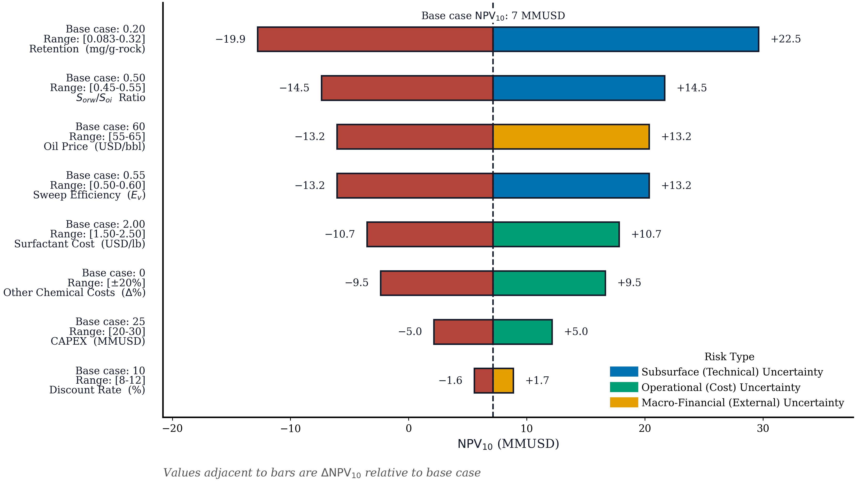
FIGURE 6. TORNADO SENSITIVITY ANALYSIS DATA
Base case NPV₁₀ = 7.2 MMUSD | One-at-a-time (OAT) sensitivity

Parameter | Range | Base Value | NPV Low (MMUSD) | NPV High (MMUSD) | ΔNPV Low | ΔNPV High
Retention (mg/g-rock) | 0.083–0.32 | 0.200 | -12.80 | 29.60 | -19.90 | 22.50
Oil Price (USD/bbl) | 55–65 | 60 | -6.10 | 20.40 | -13.20 | 13.20
Surfactant Cost (USD/lb) | 1.50–2.50 | 2.00 | -3.50 | 17.80 | -10.70 | 10.70
CAPEX (MMUSD) | 20–30 | 25 | 2.20 | 12.20 | -5.00 | 5.00
Other Chem. Costs (±20%) | ±20% | 0 | -2.40 | 16.70 | -9.50 | 9.50
Sweep Efficiency, Eᵥ | 0.50–0.60 | 0.550 | -6.10 | 20.40 | -13.20 | 13.20
Sorw/Soi Ratio | 0.45–0.55 | 0.500 | -7.40 | 21.70 | -14.50 | 14.50
Discount Rate (%) | 8–12 | 10 | 5.60 | 8.90 | -1.60 | 1.70

Figure 6

Sweep Sensitivity (F7)
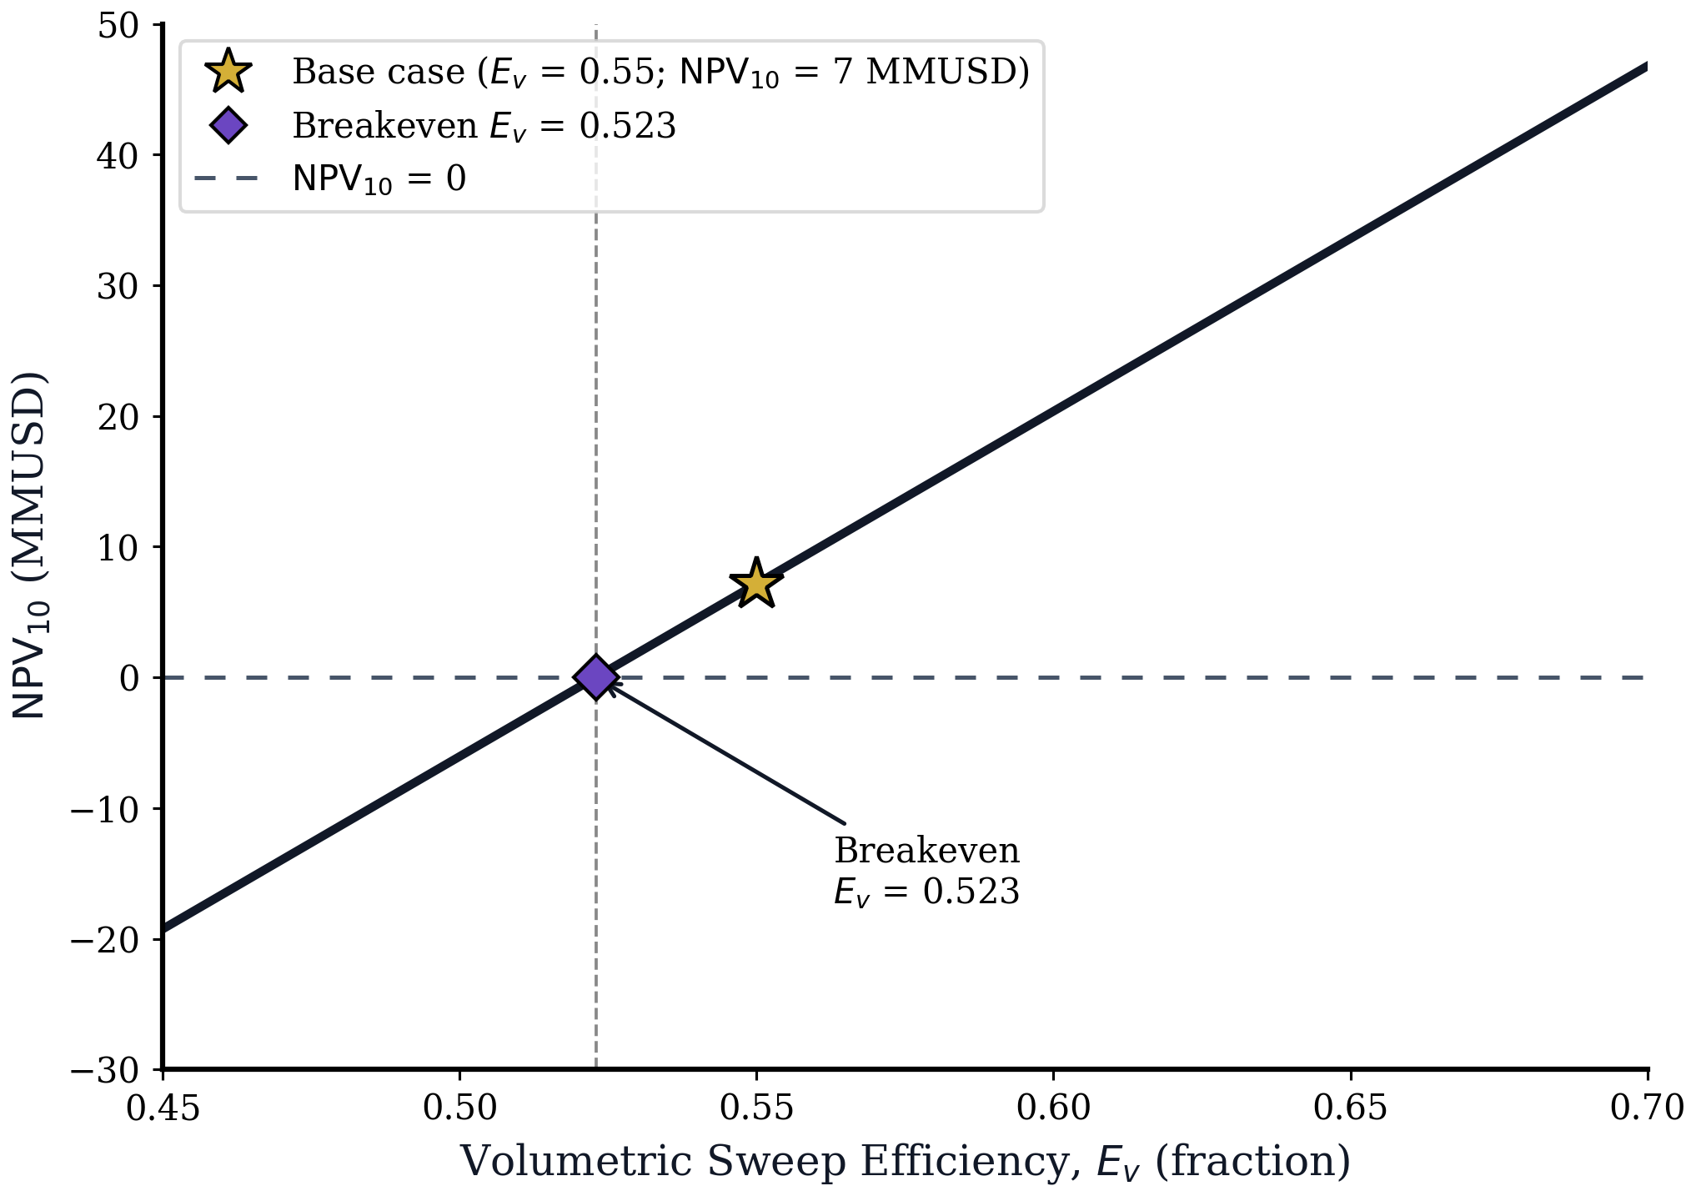
FIGURE 7. NPV₁₀ vs VOLUMETRIC SWEEP EFFICIENCY
Breakeven Eᵥ = 0.523 | Base case Eᵥ = 0.55, NPV = 7.2

Eᵥ (fraction) | NPV₁₀ (MMUSD)
0.450 | -19.26
0.460 | -16.62
0.470 | -13.98
0.480 | -11.34
0.490 | -8.69
0.500 | -6.05
0.510 | -3.41
0.520 | -0.770
0.530 | 1.87
0.540 | 4.51
0.550 | 7.15
0.560 | 9.79
0.570 | 12.43
0.580 | 15.07
0.590 | 17.72
0.600 | 20.36
0.610 | 23.00
0.620 | 25.64
0.630 | 28.28
0.640 | 30.92
0.650 | 33.56
0.660 | 36.20
0.670 | 38.84
0.680 | 41.48
0.690 | 44.13
0.700 | 46.77

Figure 7

Response Surface (F8)
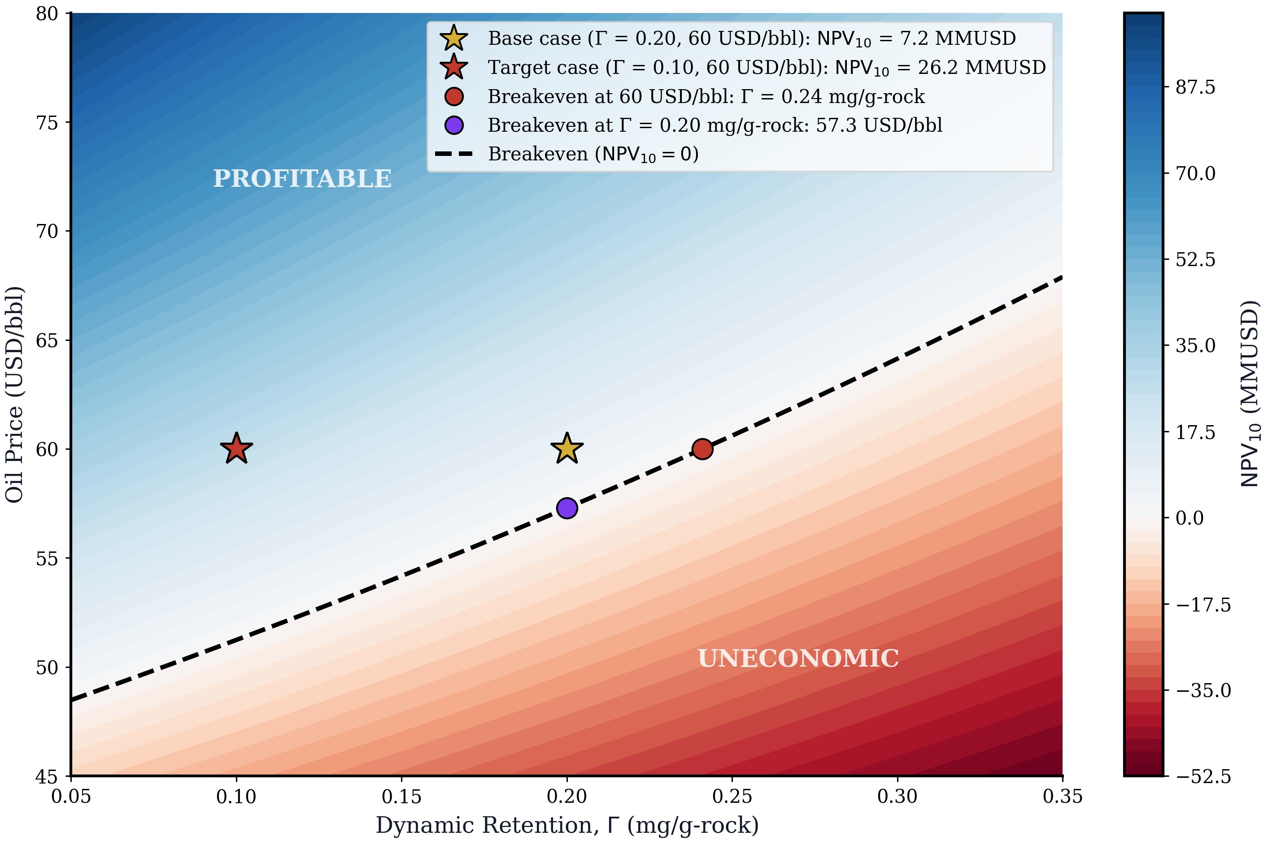
FIGURE 8. NPV₁₀ RESPONSE SURFACE (RETENTION × OIL PRICE)
Full grid: 200×200 computed in figure; this table shows 8×8 sample points

Retention (mg/g-rock) | Oil Price (USD/bbl) | NPV₁₀ (MMUSD)
0.050 | 45 | -11.10
0.100 | 45 | -18.60
0.150 | 45 | -25.80
0.200 | 45 | -32.50
0.250 | 45 | -38.80
0.300 | 45 | -44.70
0.350 | 45 | -50.30
0.050 | 50 | 4.80
0.100 | 50 | -3.70
0.150 | 50 | -11.70
0.200 | 50 | -19.30
0.250 | 50 | -26.30
0.300 | 50 | -33.00
0.350 | 50 | -39.30
0.050 | 55 | 20.70
0.100 | 55 | 11.20
0.150 | 55 | 2.30
0.200 | 55 | -6.10
0.250 | 55 | -13.90
0.300 | 55 | -21.30
0.350 | 55 | -28.30
0.050 | 60 | 36.60
0.100 | 60 | 26.20
0.150 | 60 | 16.40
0.200 | 60 | 7.20
0.250 | 60 | -1.50
0.300 | 60 | -9.70
0.350 | 60 | -17.30
0.050 | 65 | 52.50
0.100 | 65 | 41.10
0.150 | 65 | 30.40
0.200 | 65 | 20.40
0.250 | 65 | 10.90
0.300 | 65 | 2.00
0.350 | 65 | -6.30
0.050 | 70 | 68.30
0.100 | 70 | 56.00
0.150 | 70 | 44.50
0.200 | 70 | 33.60
0.250 | 70 | 23.30
0.300 | 70 | 13.70
0.350 | 70 | 4.60
0.050 | 75 | 84.20
0.100 | 75 | 71.00
0.150 | 75 | 58.50
0.200 | 75 | 46.80
0.250 | 75 | 35.70
0.300 | 75 | 25.40
0.350 | 75 | 15.60
0.050 | 80 | 100.1
0.100 | 80 | 85.90
0.150 | 80 | 72.50
0.200 | 80 | 60.00
0.250 | 80 | 48.20
0.300 | 80 | 37.00
0.350 | 80 | 26.60

Figure 8

Breakeven Envelope (F9)
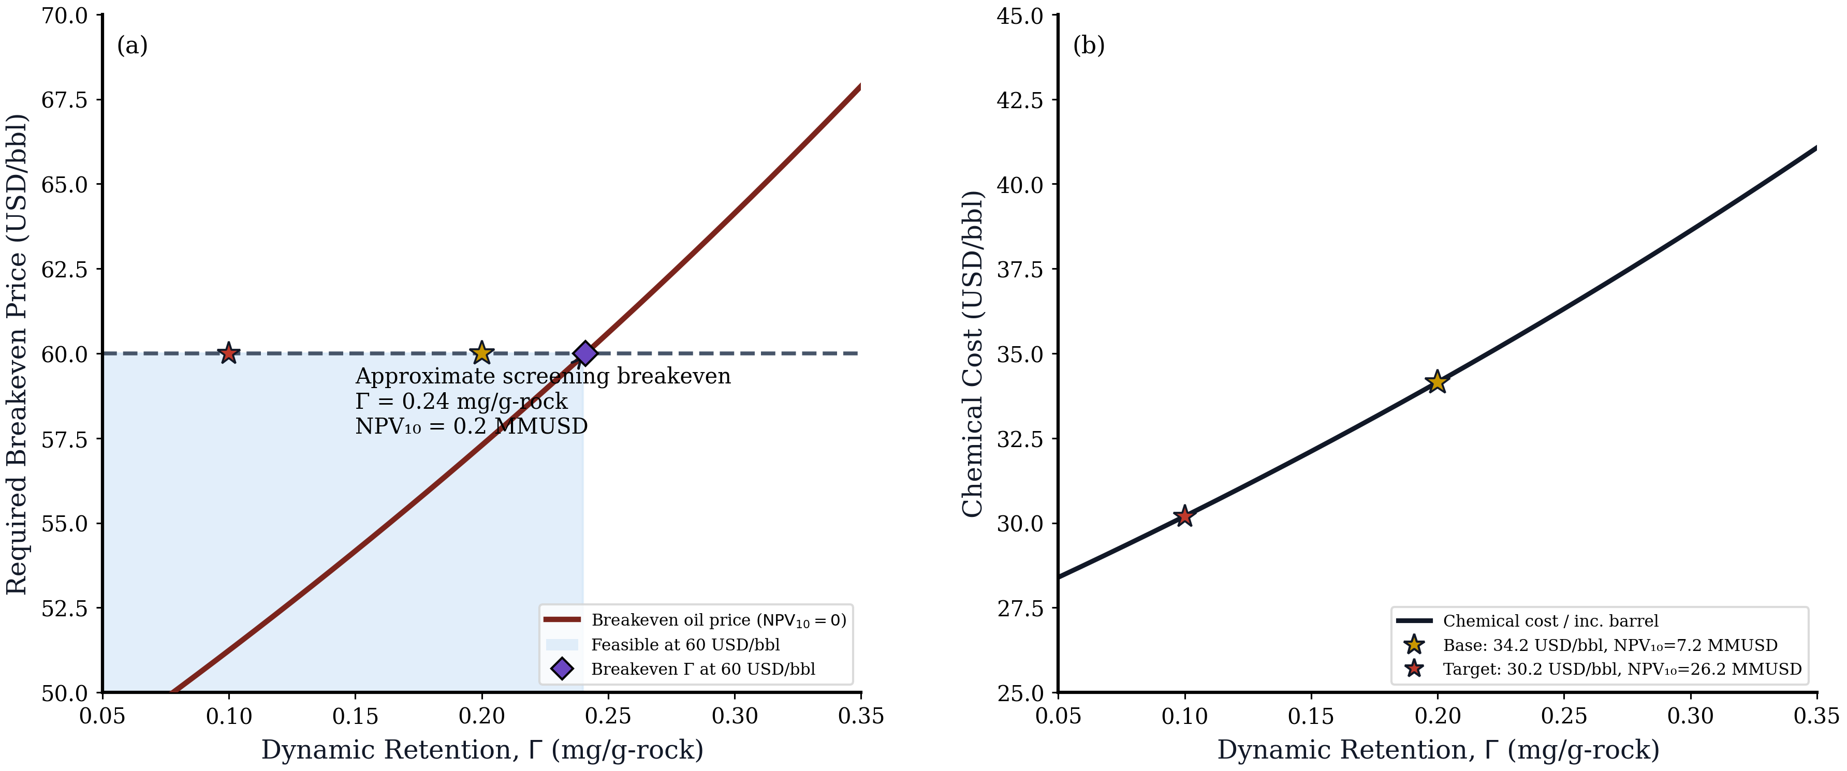
FIGURE 9. (a) BREAKEVEN OIL PRICE vs RETENTION | (b) CHEMICAL COST vs RETENTION
Breakeven = oil price where NPV₁₀ = 0 at each retention value

Retention (mg/g-rock) | Breakeven Oil Price (USD/bbl) | Chem Cost per Inc. Bbl (USD/bbl)
0.050 | 48.48 | 28.40
0.060 | 49.02 | 28.75
0.070 | 49.56 | 29.10
0.080 | 50.12 | 29.46
0.090 | 50.67 | 29.83
0.100 | 51.24 | 30.20
0.110 | 51.81 | 30.57
0.120 | 52.39 | 30.95
0.130 | 52.98 | 31.33
0.140 | 53.57 | 31.72
0.150 | 54.17 | 32.11
0.160 | 54.78 | 32.51
0.170 | 55.40 | 32.91
0.180 | 56.02 | 33.32
0.190 | 56.65 | 33.73
0.200 | 57.29 | 34.15
0.210 | 57.94 | 34.57
0.220 | 58.59 | 35.00
0.230 | 59.26 | 35.43
0.240 | 59.93 | 35.87
0.250 | 60.61 | 36.32
0.260 | 61.30 | 36.77
0.270 | 61.99 | 37.22
0.280 | 62.70 | 37.68
0.290 | 63.41 | 38.15
0.300 | 64.14 | 38.62
0.310 | 64.87 | 39.10
0.320 | 65.61 | 39.58
0.330 | 66.36 | 40.07
0.340 | 67.12 | 40.57
0.350 | 67.89 | 41.07

Figure 9

NPV Waterfall (F10)
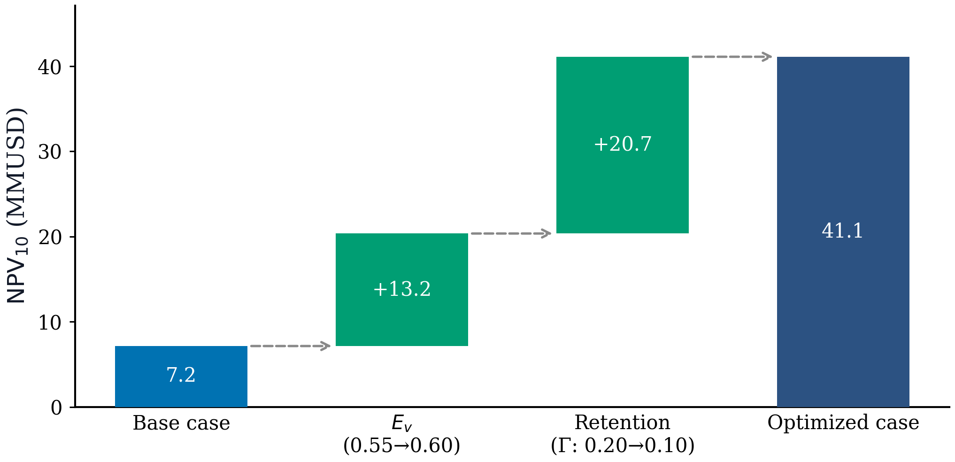
FIGURE 10. NPV₁₀ IMPROVEMENT WATERFALL
Base → Optimized: 7.2 → 41.1 MMUSD

Step | Increment (MMUSD) | Starting Value | Ending Value
Base case NPV₁₀ | 7.20 |  | 7.20
Eᵥ Improvement (0.55→0.60) | 13.20 | 7.20 | 20.40
Retention Optimization (Γ: 0.20→0.10) | 20.70 | 20.40 | 41.10
Optimized NPV₁₀ | 41.10 |  | 41.10

Figure 10

